（英語）小学校１～３年生用
Eco-Life Day and Week in Saitama 2023 Winter Checklist 1st-3rd Year Elementary School Students

 | Step 1: Eco-Life Day Look at the goals below and see how you can help the environment in a day!

 | Step 2: Eco-Life Week Try to do some of these goals for a week! |  |  |  |  |  |  |  | 🔌 = energy-saving goal

 |  | Check (✔) the goals you completed! Fill in the number of people in the "your family" section. The number in brackets ( ) is how many grams (g) of carbon dioxide you can reduce each day.
 |  | 🔌 1 (Living Room) | 🔌 2 (Living Room) | 🔌 3 (Living Room) | 🔌 4 (Living Room) |  | 5 (Bathroom)
 | Let's work together! | 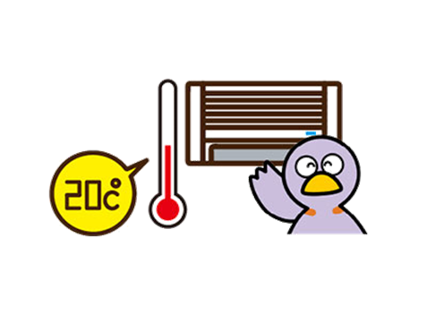 I set the air conditioner to a temperature that was not too warm (20℃).（144 grams） | I turned off and unplugged the TV and other electronics when I was not using them. (70 grams) | 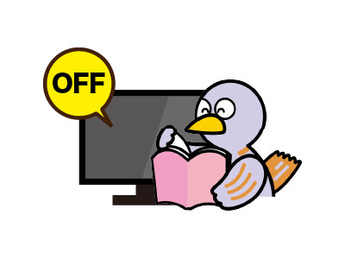 I turned off the TV when I was doing other things. (21 grams) | 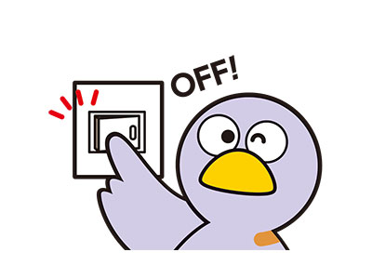 When I left the room, I turned off the lights. (19 grams) |  | I did not leave the water running when brushing my teeth. (84 grams)
 | You | I did it for 1 day ✔ (144g) | I did it for 1 day ✔ (70g) | I did it for 1 day ✔ (21g) | I did it for 1 day ✔ (19g) |  | I did it for 1 day ✔ (84g)
 |  | I did it for 1 week ✔ (1,008g) | I did it for 1 week ✔ (490g) | I did it for 1 week ✔ (147g) | I did it for 1 week ✔ (133g) |  | I did it for 1 week ✔ (588g)
 | Your family | Number of people who did it for 1 day (144g) | Number of people who did it for 1 day (70 g) | Number of people who did it for 1 day (21g) | Number of people who did it for 1 day (19g) |  | Number of people who did it for 1 day (84g)
 |  | Number who did it for 1 week (1,008g) | Number of people who did it for 1 week (490g) | Number of people who did it for 1 week (147g) | Number of people who did it for 1 week (133g) |  | Number of people who did it for 1 week (588g)
 |  | Amount of CO₂ reduced (g) | Amount of CO₂ reduced (g) | Amount of CO₂ reduced (g) | Amount of CO₂ reduced (g) |  | Amount of CO₂ reduced (g)

 |  | 6 (Bathroom) | 7 (Food) | 8 (Going Out) | 9 (Going Out) |  | 10 (Going Out)
 | Let's work together! | Everyone used the bath while the water was still hot. (233 grams) | I ate all of my food and did not waste anything. (19 grams) | I brought my own bag when I went shopping. (33 grams) | I took my own drink bottle when I went out. (47 grams) |  | I did not use a car when I went out. (189 grams)
 | You | I did it for 1 day ✔ (233g) | I did it for 1 day ✔ (19g) | I did it for 1 day ✔ (33g) | I did it for 1 day ✔ (47g) |  | I did it for 1 day ✔ (189g)
 |  | I did it for 1 week ✔ (1,631g) | I did it for 1 week ✔ (133g) | I did it for 1 week ✔ (231g) | I did it for 1 week ✔ (329g) |  | I did it for 1 week ✔ (1,323g)
 | Your family | Work together with your family! | Number of people who did it for 1 day (19g) | Number of people who did it for 1 day (33g) | Number of people who did it for 1 day (47g) |  | Number of people who did it for 1 day (189g)
 |  |  | Number of people who did it for 1 week (133g) | Number of people who did it for 1 week (231g) | Number of people who did it for 1 week (329g) |  | Number of people who did it for 1 week (1,323g)
うら
 |  | Amount of CO₂ reduced (g) | Amount of CO₂ reduced (g) | Amount of CO₂ reduced (g) | Amount of CO₂ reduced (g) |  | Amount of CO₂ reduced (g)

 | Name: |  |  |  |  | Total amount of CO₂ (g) reduced in Eco-Life Day and Week: |  |  | g
 |  |  |  |  |  |  |  | *For every person who completes all of these goals in a day, we can reduce 859 grams of carbon dioxide!

